Job Aid
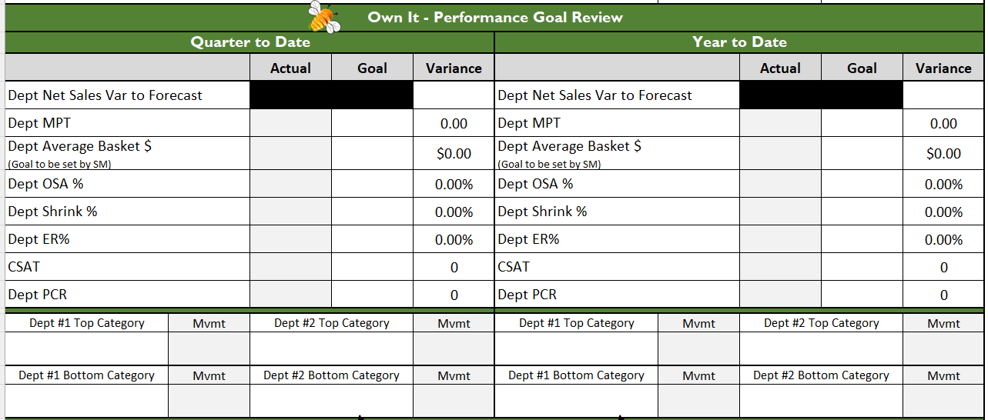
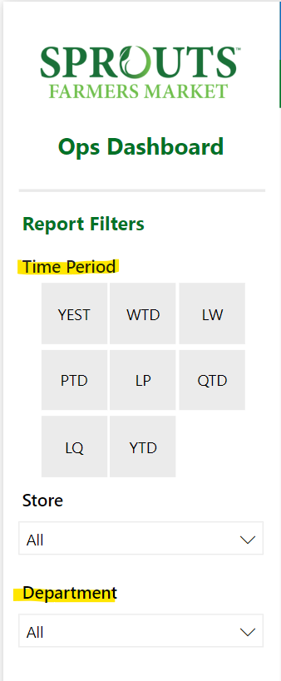
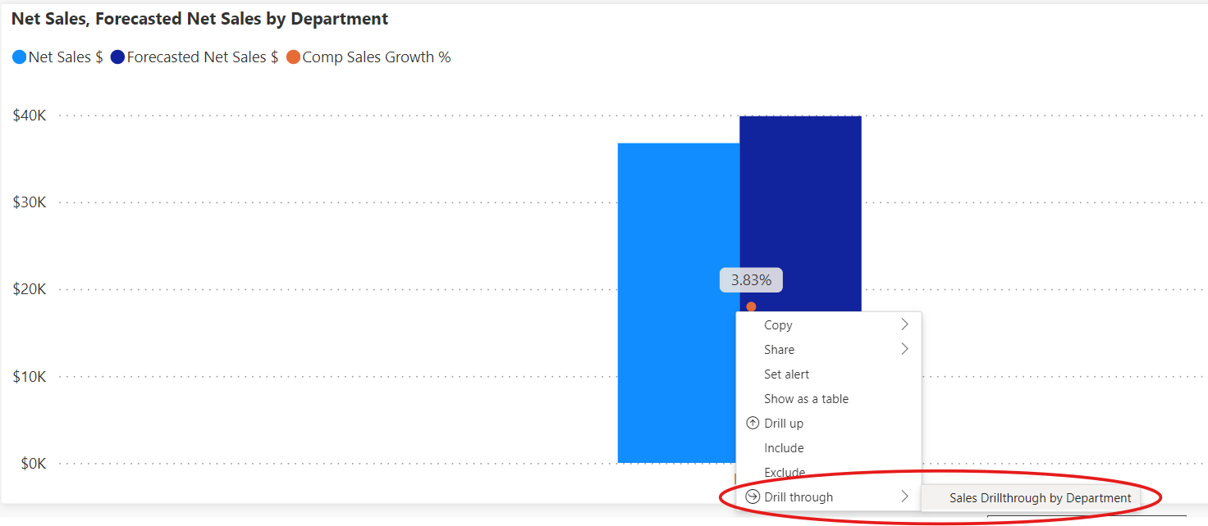
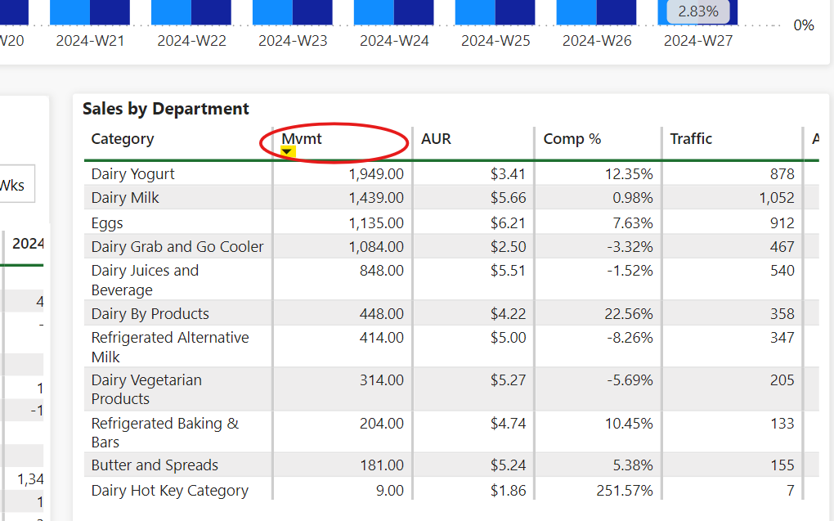
PowerBI - Shrink Dashboard
PowerBI - Ops Dashboard
PowerBI - OSA Dashboard
Logile - Earned % - Quarter View
InMoment
PCR Recap Email
PowerBI - Ops Dashboard
(Instructions Below)
1. On the PowerBI Ops Dashboard selecting the "Time Period" and "Department"
2. On the Header select "Sales Detail"
3. Right-click on the chart and select "Drill through > Sales Drillthrough by Department"
4. Locate the "Sales by Department" table at the bottom right.
5. Sort the "Mvmt" column
6. Utilize the top 2 categories and the bottom 2 categories to fill in your document (avoid using any hot keys, etc.)
Where Can I Find My Actuals?

Click on yellow box for link to application

