Job Aid
Where Can I Find My Actuals?
Click on yellow box for link to application

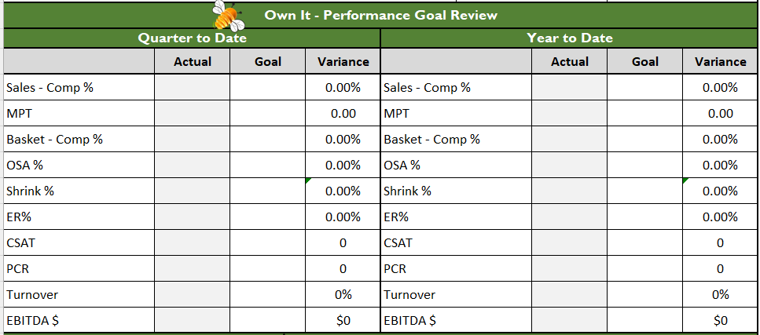
PowerBI - Ops Dashboard
PowerBI - OSA Dashboard
PowerBI - Shrink Dashboard
InMoment
Workday -
P&L
Logile - Earned % - Quarter View
PCR Recap Email
Ask DD for Turnover Number

